Project Prefix querries
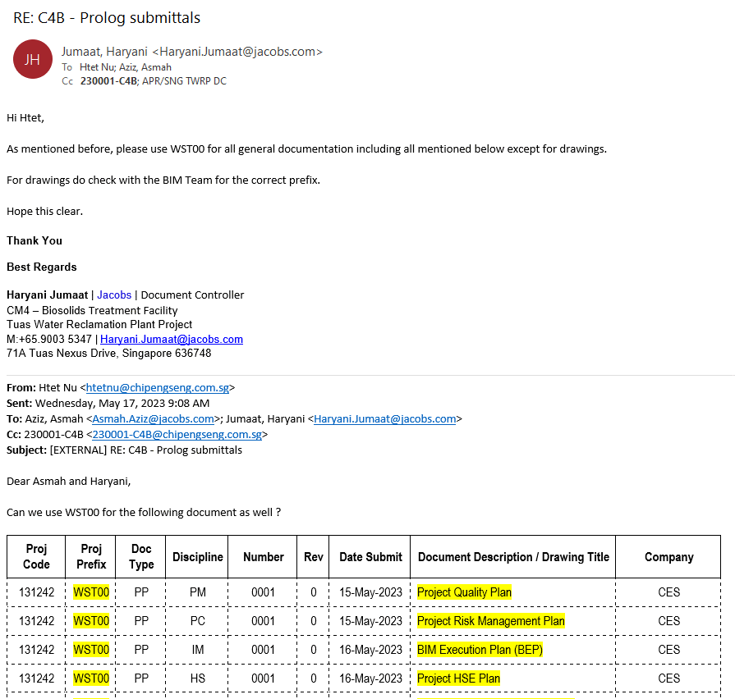
C4B Project Prefix

04 Jul 2023
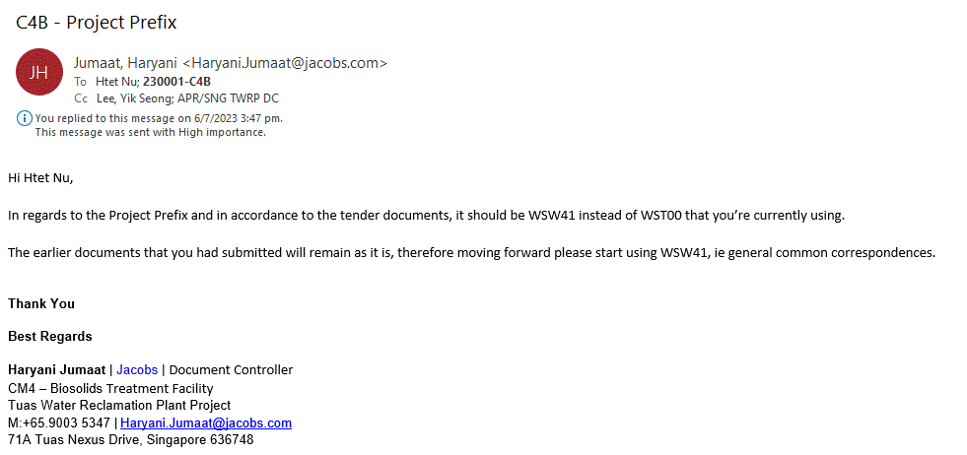

17 May 2023

Public Holiday
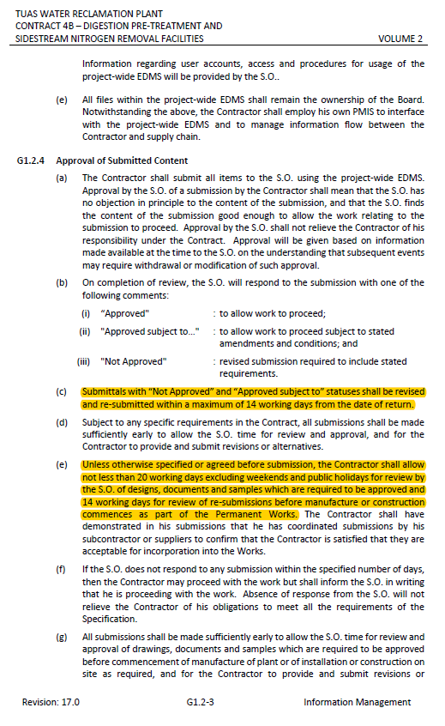
 |  | Approved/ Approved with Comments/ Rejected/ Not Approved | SO Review Status
 |  | (YES/ NO) | Resubmit

 | Public Holiday
2023 | June
 |  | 2023-06-02
 |  | 2023-06-29
 | July
 | Aug
 |  | 2023-08-09
 | Sept
 | Oct
 | Nov
 |  | 2023-11-13
 | Dec
 |  | 2023-12-25
2024 | Jan
 |  | 2024-01-01
 | Feb
 |  | 2024-02-12

 | Mar
 |  | 2024-03-29
 | April
 |  | 2024-04-10
 | May
 |  | 2024-05-01
 |  | 2024-05-22
 | June
 |  | 2024-06-17
 | Aug
 |  | 2024-08-09
 | Oct
 |  | 2024-10-31
 | Dec
 |  | 2024-12-25
2025 | Jan
 |  | 2025-01-01
 |  | 2025-01-29
 |  | 2025-01-30
 | Mar
 |  | 2025-03-31
 | April
 |  | 2025-04-18
 | May
 |  | 2025-05-01
 |  | 2025-05-12
 | June
 |  | 2025-06-07
 | Aug
 |  | 2025-08-09
 | Oct
 |  | 2025-10-20
 | Dec
 |  | 2025-12-25

 | Date CES to Response (GENERAL SPECIFICATION G1.2)

Status Legend
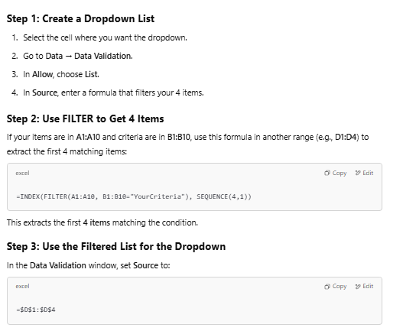
 | Approved/ Closed

 | CES to resubmit

 | Jacobs to Response (Overdue)

 | CES to resubmit (Overdue)

 | YES
 | NO

 | Awaiting S.O.'s response
 | Approved
 | For Information
 | Approved with Comments
 | Not Approved
 | Rejected

1 | Process | WSW41
2 | Mech | WSD11
3 | EICA | WST02
4 | Piping
5 | BS | WST00
6 | BIM
7 | CSA
8 | QAQC
9 | PCM
10 | PMT
11 | Const;
12 | Project
13 | Contracts
14 | HSE

